TestCase
Test Case Template for Project
Project Name
Module Name | Courses
Created By
Created Date | 4-Jan-2025
Peer Review By
Peer Reviewed Date

Test Case ID | Scenario Name | Scenario Desciption | Pre Condition | Steps to Execute | Actual Result | Type of Scenario | Priority | Screenshots | Test Environment | Misc (Comments) | Executed QA Name | Last Modified Date
TC-ACLAC0001 | Login | Successful login | Using credentials username- admin@emeritus.org password- admin@123 | Prefer Login Test case. | Prefer Login Test case. | Positive | P1 |  | Staging Environment
TC-ACLAC0002 | Sidebar Course menue | Check if all courses visible or not | Courses shoud be created. | 1. After successful login. 2. Click on the sidbar-Courses menu. | 1. The course title should be visible. 2. Only published courses should appear in the published section. 3. Unpublished courses should be clearly visible in the unpublished section. 4. Deleted courses should not appear anywhere in the course list. 5. All Courses" link should always be visible to the user. 6. The instructional message should be clearly visible at the bottom of the course list. 7. When clicking on a course, the sidebar list of course options should appear. 8. The cursor pointer button should be visible. 9. When clicking elsewhere, the sidebar should hide. | Positive | P1 | 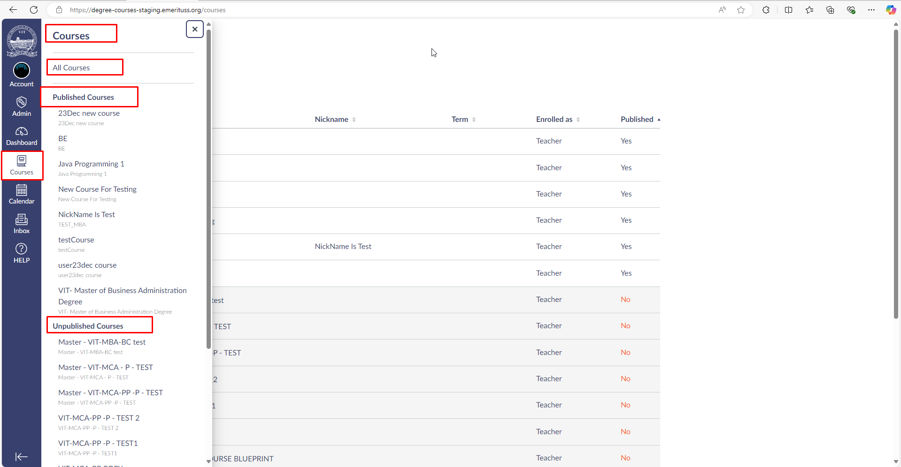 | Staging Environment
TC-ACLAC0003 | All course | Check if all courses visible or not | Courses shoud be created. | 1. After successful login. 2. Click on the sidbar-Courses menu. 3. Click on the All courses | 1. The "All Courses" title should be visible. 2. The "Add Course" icon should be visible. 3. Display all currently enrolled courses first. 4. Past enrollment courses should be visible in the "Past Enrollments" section. 5. All courses should be displayed in the following format: Favorite | Course | Nickname | Term | Enrolled As | Published 6. Courses should be filterable using the fields: Favorite | Course | Nickname | Term | Enrolled As | Published 7. All courses in the list should be clickable | Positive | P1 | 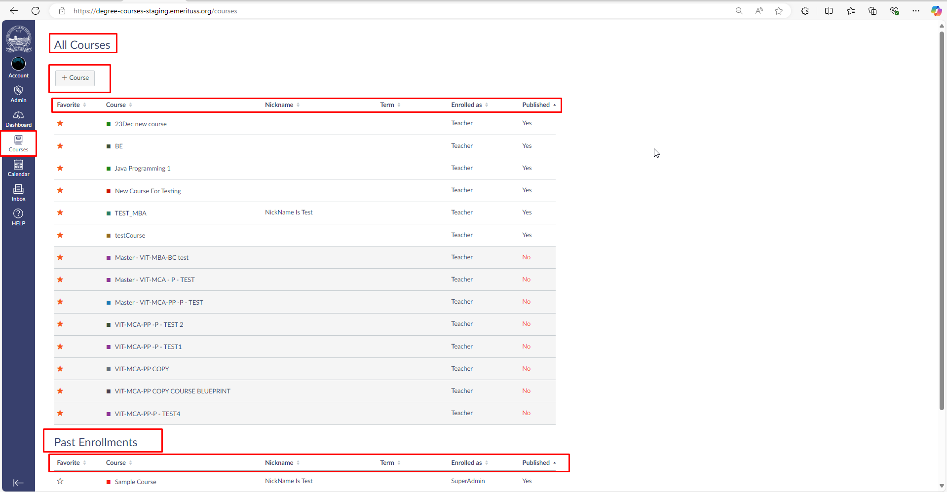 | Staging Environment

